ITP - Conduit Install
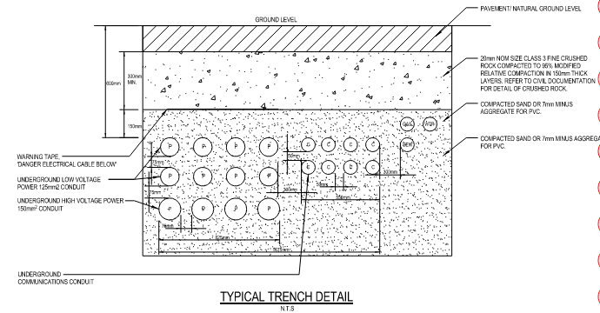
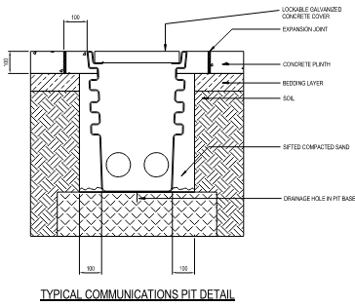
 |  |  | Inspection and Test Plan - Service Trenching and Install |  |  |  |  |  |  |  | Document # CTN-ITP-003
 |  |  |  |  |  |  |  |  |  |  | Revision : 1 | Date: 06/06/2023

Client: |  | Hobart International Airport Pty Ltd |  | Construction Process: |  | Prepared by: |  | Reviewed by : |  |  | Approved by :
Project: |  | Project Mercury Early Works At Hobart International Airport |  | Service Trenching and Install |  | Name: | Mileva Savic | Name: | Dave Hart |  | Name:
Contract No: |  | MER-EW-001 |  | Specifications: HIAPL Electrical Specification, AS/NZS 2053
 |  |  |  | Structure / Component: |  | Signed : |  | Signed : |  |  | Signed :
 |  |  |  | Location: Hobart International Airport |  | Date : | 31/05/2023 | Date : | 2023-06-06 |  | Date :

Lot No: |  |  | Lot Details: |  |  |  |  |  | Lot Size/ Quantity:

Item | Task/Activity Description |  | Inspection / Controls and Verification Detail |  |  |  |  | HP/ WP/ AP/ IP/ TP/ SCP | Responsibility | Checked by:
No. |  |  | Frequency | Acceptance Criteria | Reference Documents | Inspection / Test Method | Record of conformity |  | Project Engineer Site Engineer Superintendent Surveyor Foreman | Client | Fulton Hogan | Superintendant | Date
1 | Preliminary Works
1.1 | Check for correct documentation |  | Prior to commencing any activity | Ensure that all employees and subcontractors are: - using the correct and complete set of drawings -all drawings are the latest revision | Drawings and drawing registers | Visual inspection | This ITP signed off | IP | Site Engineer | N/A |  | N/A
1.2 | Implementation of all measures and controls |  | Prior to commencing any activity | All necessary measures and controls are being implemented, that is: PSP, EMP, TMP, JSEA, SWMS & WP | PSP, EMP, TMP, JSEA, SWMS, WP | Visual Inspection | This ITP signed off | IP | Site Engineer | N/A |  | N/A
1.3 | Materials |  | Per Lot | Bedding sand provided over rock and above conduit 20mm Class 3 FCR for backfill | C.19, Drawings | Verify | This ITP signed, Recievable Inspection checklist | IP | Site Engineer | N/A |  | N/A
2 | Construction Works
2.1 | Survey set-out |  | As required | Survey activities undertaken to ensure and validate that all works will meet level and location requirements. The establishment and integrity of the survey network shall be verified before commencing any survey and set out activity. IFC and latest available revision used. | Drawings, | Verify | This ITP signed | HP* | Site Engineer | N/A |  | N/A
2.2 | Excavation/Boring & Trenching |  | Prior to Backfill | Superintendent to inspect completed tench Depth Requirements: •Where conduits are laid under carriageway pavements, the minimum cover from top of conduit to the pavement surface shall be 600 mm | C.19, Drawings | Measure | This ITP signed | HP | Site Engineer | N/A
2.3 | Installation of Conduits |  | Prior to installation of conduits | All conduit installation works for electrical wiring and communications cabling shall be carried out by, or under the direct supervision of, appropriately registered and licensed personnel - 100mm bedding sand provided over rock - 150mm bedding sand provided above conduit | C.18, Drawings | Verify | This ITP signed, Subcontractor competencies on salesforce | WP | Site Engineer / QAV | N/A |  | N/A
2.4 | Back Fill of Trenches |  | Each Lot | Place and Compact fill in no greater than 300mm layers - minimum 300mm 20mm Class 3 FCR below pavement/ground level - Where trench passes under load bearing zones maximum 200mm layers - conduits under area to be paved backfilled with select back fill to subgrade level - conduits under area not to be paved backfilled with select fill to 0.4m above top of conduit and common back fill above that | C.19, Drawings | Measure | This ITP signed | IP | Site Engineer | N/A |  | N/A
2.6 | Compaction |  | Each Lot | Superintendent to inspect testing and compaction of subgrade Post compaction falling cone penetrometer >7 blows per 300mm | C.19, Drawings | Verify | This ITP signed | HP | Site Engineer | N/A |  | N/A
2.7 | Compaction |  | Once, prior to use of backfill >40mm | Detailed proposals for the compaction of backfill materials of nominal size greater than 40 mm shall be submitted to the superintendent for review before commencing work. | C.19, Drawings | Verify | Correspondence with superintendent | WP | Site Engineer / QAV | N/A
2.8 | Installation of marker tape |  | Each Lot | Marker tape is to be installed above each line of conduits in all trenches where electrical and communications conduits are provided. When constructed in a shared trench, it must be ensured that the electrical warning tape is on top. | C.19 TC-2204 | Visual inspection | This ITP signed | IP | Site Engineer | N/A |  | N/A
2.9 | Cable Pits & Pit Lids |  | Each Lot | • Cable pits constructed and installed as per drawings • Reinforced concrete apron installed around pits that are in an unsealed area • Heavy pit lid provided where pit is located in a road pavement • All pits, junction boxes or terminal pits for electrical purposes shall be watertight • Pits shall be constructed such that the level of the top of the pit lid matches surrounding finished surface level, top of pit wall is finished so that lid fits without movement | C.19, Drawings | Verify | This ITP signed | IP | Site Engineer | N/A |  | N/A
3 | Completion
3.1 | Cleaning of Site |  | Each Lot | • Surplus excavated material shall be removed from site. All affected areas shall be restored to similar conditions that existed prior to work. | C.19, Drawings | Visual inspection | This ITP signed | IP | Site Engineer | N/A |  | N/A
3.2 | Recording/As Built |  | Each Lot | Installed location and depth of conduits, and location of pits and pedestals, shall be accurately recorded on as-constructed drawings. Lot Maps shall be completed to show the extent of works for each lot. | C.19, Drawings | Verify | As Built Drawing | SCP | Site Engineer | N/A |  | N/A

 | Final Inspection
 | The signature below verifies that this ITP has been completed in accordance with the FH’s Quality system Procedures and verifies lot compliance with specifications.
 | Print Name: |  | Position: |  | Signature: |  |  |  |  | Date: / /

Legend
HP | Hold Point | Work shall not proceed past the HP until released by the Superintendent |  |  | IP | Inspection point |  | Formal Inspection to be done and recorded
HP* | FH Hold Point | Work shall not proceed past the HP* until released by FH |  |  | TP | Test Point |  | Product compliance test to be undertaken and recorded/reported
WP | Witness Point | An inspection which must be witnessed by the Superintendent |  |  | SCP | Survey conformance point |  | A qualified surveyor to check product/section/structure and report
AP | Approval Point | Written or verbal approval given by the Superintendent

